Sheet1
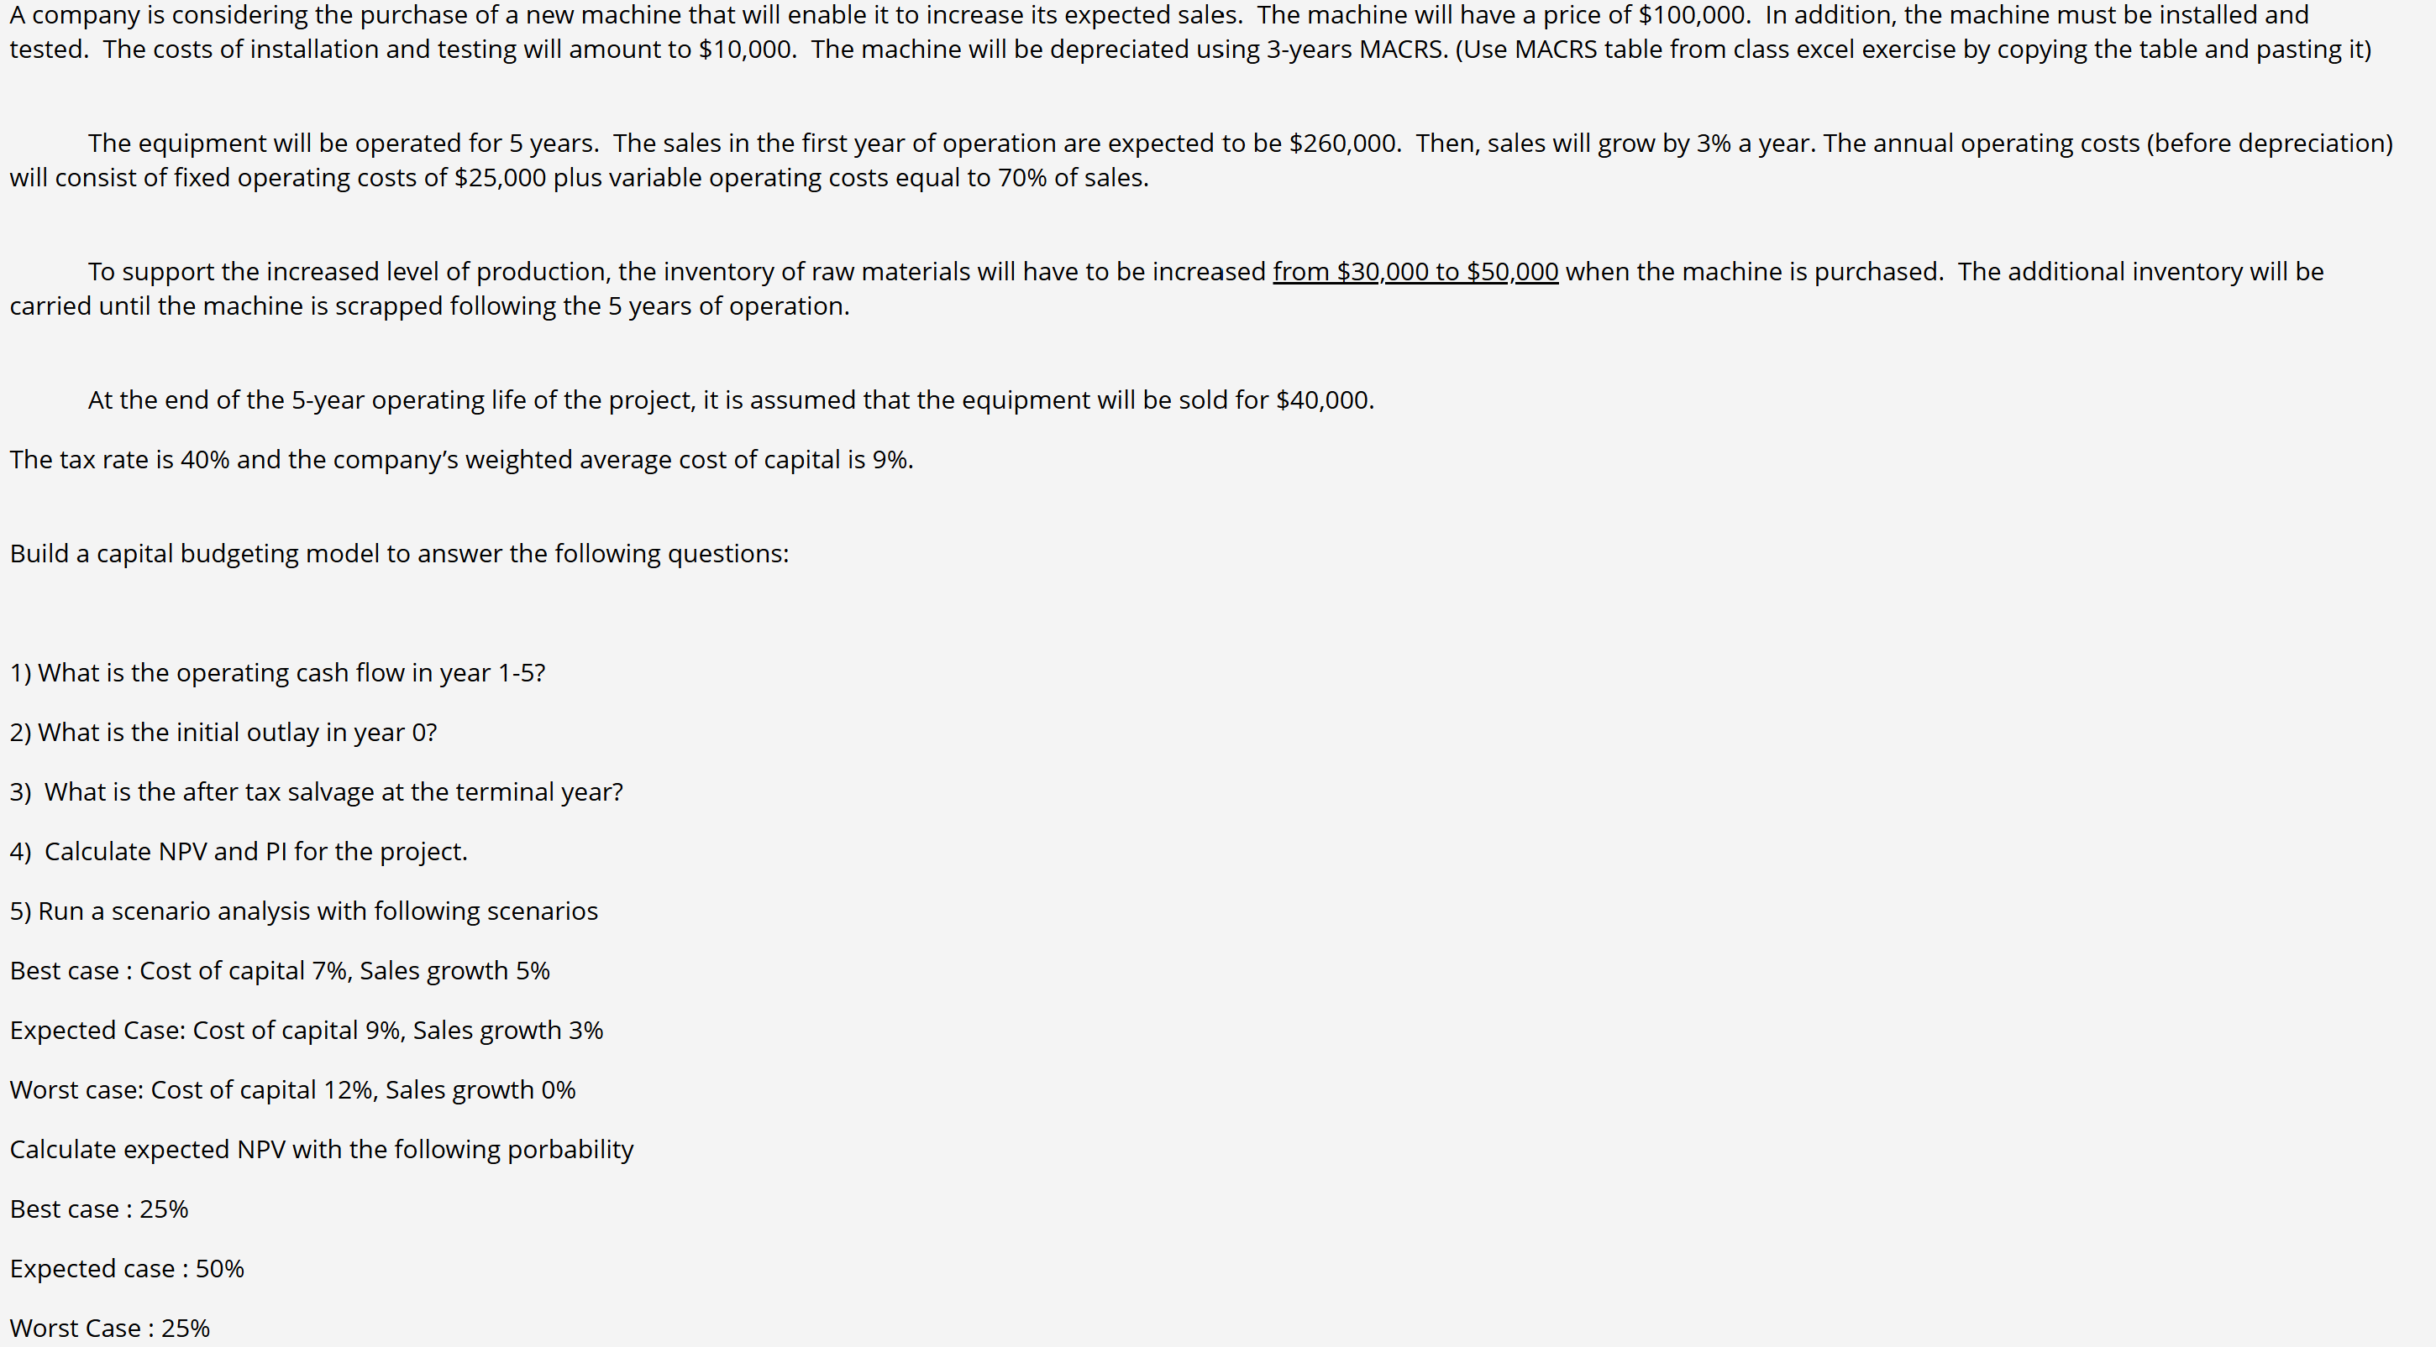
machine | $100,000.00 |  | n | 5
install | $10,000.00 |  | sales 1 | $260,000.00
total cost | $110,000.00 |  | sa growth | 3%
 |  |  | fixed cost | $25,000.00
 |  |  | varible cost | 70%
MACRS 3 year rates |  |  | Initial invent | $20,000.00
year | rate | Annuak Deprec | Tax | 40%
1 | 33.33% | $36,663.00 | WACC | 9%
2 | 44.45% | $48,895.00
3 | 14.81% | $16,291.00
4 | 7.41% | $8,151.00
5 | 0.00% | $-

1) | # | Sales | Var cost | Fix cost | Depr | EBIT | TAX | Net income
 | Year 1 | $260,000.00 | $182,000.00 | $25,000.00 | $36,663.00 | $16,337.00 | $6,534.80 | $9,802.20
 | Year 2 | $267,800.00 | $187,460.00 | $25,000.00 | $48,895.00 | $6,445.00 | $2,578.00 | $3,867.00
 | Year 3 | $275,834.00 | $193,083.80 | $25,000.00 | $16,291.00 | $41,459.20 | $16,583.68 | $24,875.52
 | Year 4 | $284,109.02 | $198,876.31 | $25,000.00 | $8,151.00 | $52,081.71 | $20,832.68 | $31,249.02
 | Year 5 | $292,632.29 | $204,842.60 | $25,000.00 | $- | $62,789.69 | $25,115.87 | $37,673.81

2) | Initial Outley | $130,000.00

3) | MARCS (1-4) | 100% | Gain on Sale | $40,000.00
 | Thus year 5 | 0 | BV | 0
 |  | After tax SV | $24,000.00
 | Total Terminal CF |  | $44,000.00

4) | NPV | $329,819.79 |  | # | OCF
 |  |  |  | Year 0 | $(130,000.00)
 |  |  |  | Year 1 | $46,465.20
 |  |  |  | Year 2 | $52,762.00
 |  |  |  | Year 3 | $41,166.52
 |  |  |  | Year 4 | $39,400.02
 |  |  |  | Year 5 | $81,673.81
 | PI | $3.54
 |  |  |  |  |  |  |  |  | NPV
5) | Scenario | WACC | Growth | Prob | NPV |  |  | Best
 | Best | 7% | 5% | 25% | $58,000.00 |  |  | Expected
 | Expected | 9% | 3% | 50% | $45,000.00 |  |  | Worst
 | Wrost | 12% | 0 | 25% | $29,000.00

 | E NPV

